Sheet1
BOSCOVS

PICK TICKET CHECK LIST |  |  |  | PO# | 690839
 |  |  |  |  | 717795
 |  |  |  |  | PT# 1755275 - 1755306

TICKETING |  |  |  | PROVIDED BY: | PLEASE CREATE BARTENDER
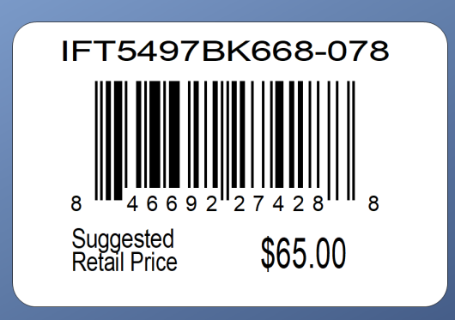

 |  |  | DEPT. 00138 | DC 00015
ROUTING |  |  | PLEASE ROUTE THIS ORDER
 |  |  | WITH LOGICBROKER

PACKING INSTRUCTIONS: | PACK BY STORE
 | UCC LABELS

OUR STYLE# | QTY | CUSTOMER STYLE | UPC# | RETAIL PRICE | BOX-CODE
KYLO01L-DOA | 240 | KYLO01L-DOA | 196540904295
KYLO01L-WHA | 240 | KYLO01L-WHA | 196540904301
VICKY34L-BLA | 240 | VICKY34L-BLA | 196540919909
VICKY34L-SLA | 240 | VICKY34L-SLA | 196540919008

